Tabelle1
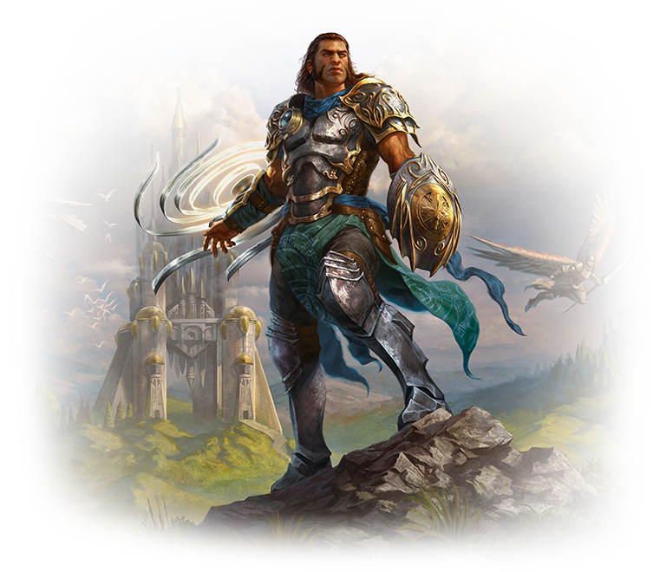
Card name | Edition | Foil | Condition | Quantity | Unit price | Total | Comments | Zusammenfassung
Polluted Delta | Khans of Tarkir | No | NM | 2 | 30 | 60 | Booster to sleeve
 |  |  |  |  |  | 0 |  | Total | 60.00 €
 |  |  |  |  |  | 0
 |  |  |  |  |  | 0 |  | Purchase price (70%) | 42.00 €
 |  |  |  |  |  | 0 |  | Quantity of cards | 2
 |  |  |  |  |  | 0
Note on Usage
Please make sure to fill in the first five columns. The price column can be left blank if necessary. We will determine the prices individually for each card. For this purpose, we use the website cardmarket.com/magic and compare similar offers for the same card in comparable condition in German and English. We will then send the completed form back to you
Note on Card Condition Grading
If you are unsure about the condition (grading) of a card, you can find information and examples for each condition category in the FAQ section on our website: https://bigo-cards.com/haufig-gestellte-fragen/
Contact
You can also reach us directly via WhatsApp or by email.
WhatsApp: +49 176 8901 8883
E-Mail: info@bigo-cards.com
 |  |  |  |  |  | 0
 |  |  |  |  |  | 0
 |  |  |  |  |  | 0
 |  |  |  |  |  | 0
 |  |  |  |  |  | 0
 |  |  |  |  |  | 0
 |  |  |  |  |  | 0
 |  |  |  |  |  | 0
 |  |  |  |  |  | 0
 |  |  |  |  |  | 0
 |  |  |  |  |  | 0
 |  |  |  |  |  | 0
 |  |  |  |  |  | 0
 |  |  |  |  |  | 0
 |  |  |  |  |  | 0
 |  |  |  |  |  | 0
 |  |  |  |  |  | 0
 |  |  |  |  |  | 0
 |  |  |  |  |  | 0
 |  |  |  |  |  | 0
 |  |  |  |  |  | 0
 |  |  |  |  |  | 0
 |  |  |  |  |  | 0
 |  |  |  |  |  | 0
 |  |  |  |  |  | 0
 |  |  |  |  |  | 0
 |  |  |  |  |  | 0
 |  |  |  |  |  | 0
 |  |  |  |  |  | 0
 |  |  |  |  |  | 0
 |  |  |  |  |  | 0
 |  |  |  |  |  | 0
 |  |  |  |  |  | 0
 |  |  |  |  |  | 0
 |  |  |  |  |  | 0
 |  |  |  |  |  | 0
 |  |  |  |  |  | 0
 |  |  |  |  |  | 0
 |  |  |  |  |  | 0
 |  |  |  |  |  | 0
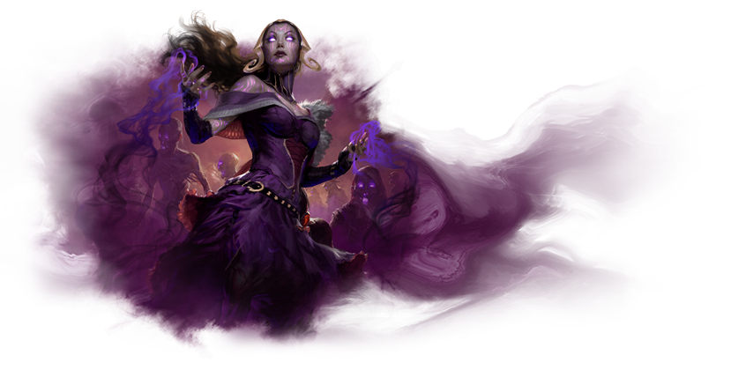
 |  |  |  |  |  | 0
 |  |  |  |  |  | 0
 |  |  |  |  |  | 0
 |  |  |  |  |  | 0
 |  |  |  |  |  | 0
 |  |  |  |  |  | 0
 |  |  |  |  |  | 0
 |  |  |  |  |  | 0
 |  |  |  |  |  | 0
 |  |  |  |  |  | 0
 |  |  |  |  |  | 0
 |  |  |  |  |  | 0
 |  |  |  |  |  | 0
 |  |  |  |  |  | 0
 |  |  |  |  |  | 0
 |  |  |  |  |  | 0
 |  |  |  |  |  | 0
 |  |  |  |  |  | 0
 |  |  |  |  |  | 0
 |  |  |  |  |  | 0
 |  |  |  |  |  | 0
 |  |  |  |  |  | 0
 |  |  |  |  |  | 0
 |  |  |  |  |  | 0
 |  |  |  |  |  | 0
 |  |  |  |  |  | 0
 |  |  |  |  |  | 0
 |  |  |  |  |  | 0
 |  |  |  |  |  | 0
 |  |  |  |  |  | 0
 |  |  |  |  |  | 0
 |  |  |  |  |  | 0
 |  |  |  |  |  | 0
 |  |  |  |  |  | 0
 |  |  |  |  |  | 0
 |  |  |  |  |  | 0
 |  |  |  |  |  | 0
 |  |  |  |  |  | 0
 |  |  |  |  |  | 0
 |  |  |  |  |  | 0
 |  |  |  |  |  | 0
 |  |  |  |  |  | 0
 |  |  |  |  |  | 0
 |  |  |  |  |  | 0
 |  |  |  |  |  | 0
 |  |  |  |  |  | 0
 |  |  |  |  |  | 0
 |  |  |  |  |  | 0
 |  |  |  |  |  | 0
 |  |  |  |  |  | 0
 |  |  |  |  |  | 0
 |  |  |  |  |  | 0

